BBG Adj Highlights
Block Inc (SQ US) |  | Analyst: | Industry: | Country:
 |  | SKM | Data & Tranx | US
Investment thesis |  |  |  |  |  | FY End | 2021-12-31
 |  |  |  |  |  | Next Report | 2022-02-05
 |  |  |  |  |  | Curr Price | $160
 |  |  |  |  |  | Market Cap | $73,407
 |  |  |  |  |  | Ent Value | $73,300
 |  |  |  |  |  | Days to exit | 4
 |  |  |  |  |  | SI % of Float | 10%

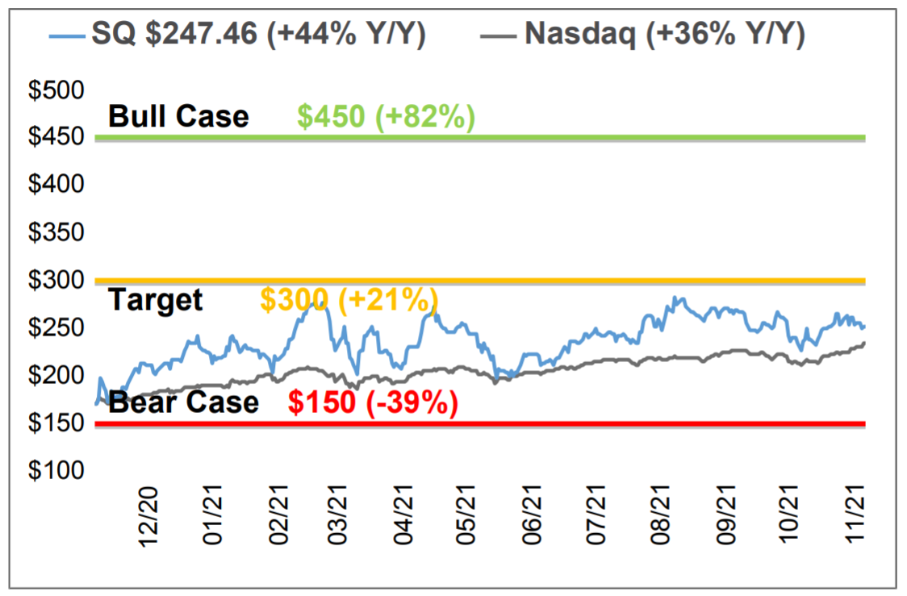
 |  |  |  |  | Base Case Assumptions

 |  |  |  |  | Upside Scenario

 |  |  |  |  | Downside Scenario

In Millions of USD | FY 2018 | FY 2019 | FY 2020 | FY 2021 Est | FY 2022 Est | FY 2023 Est
12 Months Ending | 12/31/2018 | 12/31/2019 | 12/31/2020 | 12/31/2021 | 12/31/2022 | 2023-12-31 | 3yr CAGR
Market Capitalization | 23,392 | 27,076 | 99,284
- Cash & Equivalents | 1,124 | 1,540 | 3,853
+ Preferred & Other | 0 | 0 | 0
+ Total Debt | 907 | 1,077 | 3,029
Enterprise Value | 23,175 | 26,614 | 98,460

Revenue, Adj | 3,298 | 4,714 | 9,498 | 17,623 | 18,905 | 18,905 | 25.8
Growth %, YoY | 49.0 | 42.9 | 101.5 | 85.6 | 7.3 | 7.3
Gross Profit, Adj | 1,304 | 1,890 | 2,733 | 4,375 | 5,475 | 5,475 | 26.1
Margin % | 39.5 | 40.1 | 28.8 | 24.8 | 29.0 | 29.0
EBITDA, Adj | 40 | 157 | -150 | 984 | 1,058 | 1,058 | -291.6
Margin % | 1.2 | 3.3 | -1.6 | 5.6 | 5.6 | 5.6
Net Income, Adj | -38 | 31 | -2 | 886 | 966 | 966 | -843.2
Margin % | -1.2 | 0.7 | 0.0 | 5.0 | 5.1 | 5.1
EPS, Adj | -0.09 | 0.07 | -0.01 | 1.68 | 1.80 | 1.80 | -738.8
Growth %, YoY | 44.1 | — | — |  | 7.4 | 7.4

Cash from Operations | 295 | 466 | 382
Capital Expenditures | -61 | -62 | -138 | -163 | -225 | -225
% of Sales | 1.9 | 1.3 | 1.5 | 0.9 | 1.2 | 1.2
Free Cash Flow | 234 | 403 | 243 | 877 | 980 | 980 | 59.2

EV/Sales |  |  | 7.7x | 4.2x | 3.9x | 3.9x
EV/Gross Profit |  |  | 26.8x | 16.8x | 13.4x | 13.4x
EV/EBITDA |  |  | -487.3x | 74.5x | 69.3x | 69.3x
P/E |  |  | -23188.4x | 95.5x | 88.9x | 88.9x
EV/FCF |  |  | 301.4x | 83.6x | 74.8x | 74.8x

Co. Description
Block Inc provides mobile payment solutions. The Company develops point-of-sale software that helps in digital receipts, inventory, and sales reports, as well as offers analytics and feedback. Block also provides financial and marketing services.

Source: Bloomberg

